Sheet 1
Picture | StyleName | OrderNumber | Composition | Description | Colour1 | Sizes | RRP | Line RRP | AvailableCartons | AvailablePieces | Category | QtyPerCarton | Packing
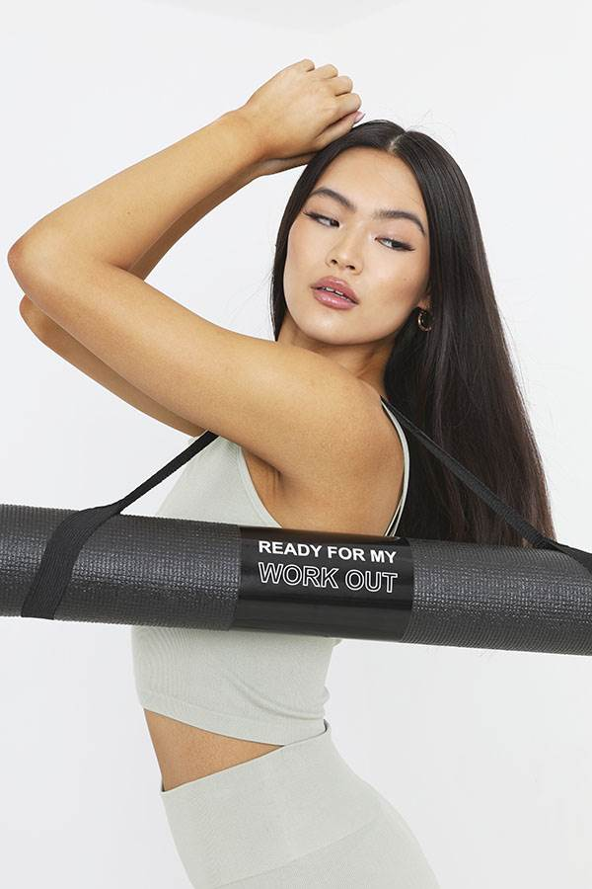 | MAT-591YOGA | CG569667 | PVC FOAM YOGA MAT 3MM POLYESTER CARRY STRAP 173X61X0.3CM | YOGA MAT WITH CARRY STRAP | 1 x BLACK | ONE SIZE | £18.99 | £104,141.16 | 457 | 5484 | ACCESSORIES | 12 PCS | 12 X INNERS OF 1 = 12 PCS/CARTON
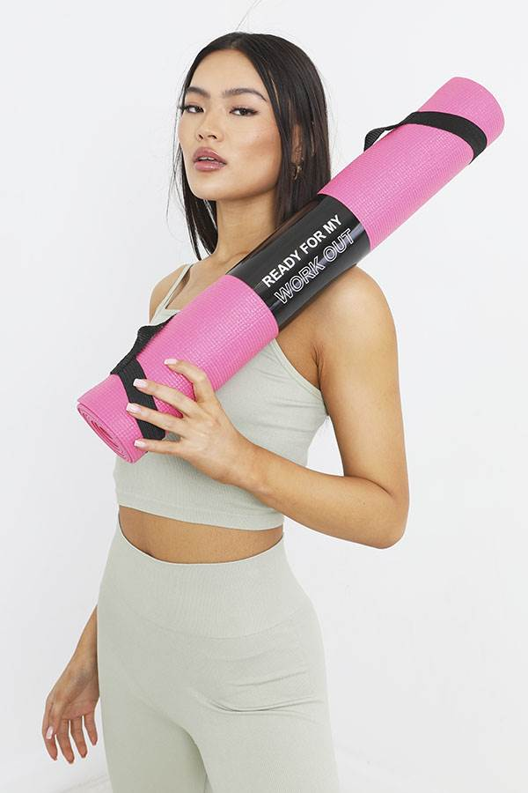 | MAT-591YOGAB | CG569668 | PVC FOAM YOGA MAT 3MM POLYESTER CARRY STRAP 173X61X0.3CM | YOGA MAT WITH CARRY STRAP | 1 x BRIGHT PINK | ONE SIZE | £18.99 | £42,385.68 | 186 | 2232 | ACCESSORIES | 12 PCS | * x inners of 1 = 12 PCS/CARTON
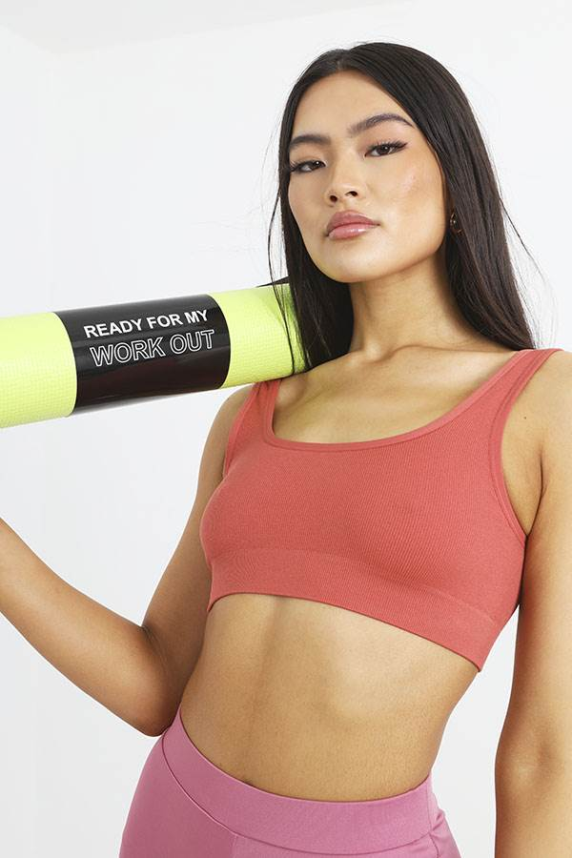 | MAT-591YOGAC | CG569669 | PVC FOAM YOGA MAT 3MM POLYESTER CARRY STRAP 173X61X0.3CM | YOGA MAT WITH CARRY STRAP | 1 x LIME GREEN | ONE SIZE | £18.99 | £43,069.32 | 189 | 2268 | ACCESSORIES | 12 PCS | * x inners of 1 = 12 PCS/CARTON
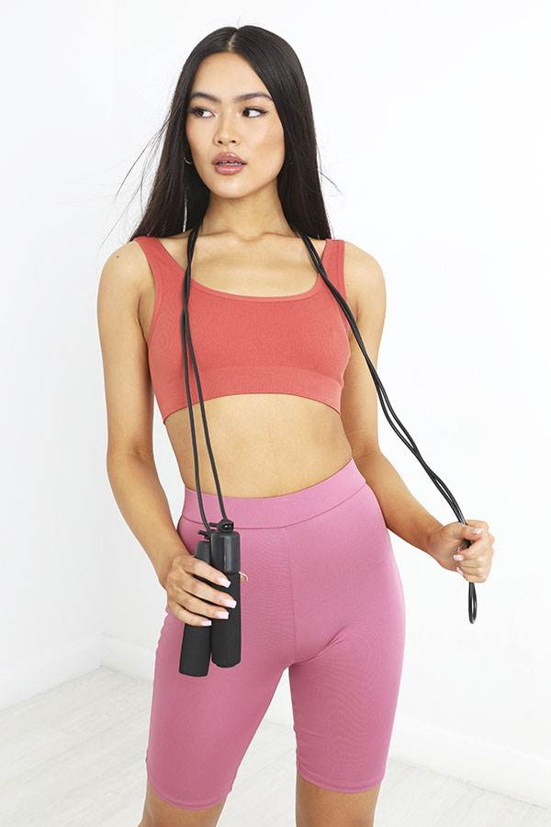 | ROPE-591COUNT | CG569670 | DURABLE PP HANDLE PVC ROPE 9FT | SKIPPING ROPE WITH COUNTER | 1 x BLACK | ONE SIZE | £7.99 | £15,181.00 | 38 | 1900 | ACCESSORIES | 50 PCS | 50 X INNERS OF 1 = 50 PCS/CARTON
 |  |  |  |  |  |  |  | £204,777.16 |  | 11884

